gProfiler
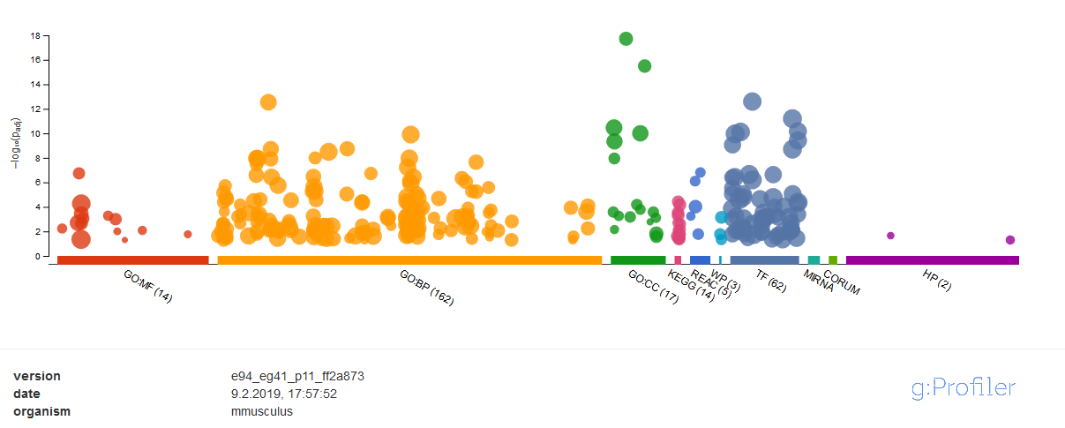
source | term_name | term_id | adjusted_p_value | term_size | query_size | intersection_size | effective_domain_size | Enrichment | ABHD8 | ACAN | ACTA2 | ACTB | ADCY1 | AJUBA | ALDH1L2 | ALOX12 | ANGPT2 | APLP1 | ARHGEF10L | ASTN2 | BAG2 | BC068281 | BMP6 | BOC | BRF2 | BRSK1 | C1QTNF2 | CAMK2N1 | CAV3 | CD200 | CHMP4C | CHPF | CLSTN1 | COL18A1 | COL5A1 | COL8A2 | CPE | DACT3 | DCHS1 | DLG4 | DMPK | DNAJB5 | DPH7 | DUSP8 | EDN1 | EFEMP2 | EFNB2 | EMILIN1 | EMP3 | ENPP3 | EREG | ETHE1 | EVA1B | EVC2 | EXOSC3 | F2R | FAM110B | FAM171B | FAM19A5 | FAM220A | FAM84A | FBLIM1 | FBLN1 | FBLN5 | FBLN7 | FBXL19 | FBXO30 | FICD | FMOD | FNDC4 | FPGS | FSTL3 | FZD1 | FZD2 | FZD8 | GAS1 | GATA6 | GLT8D2 | GM10382 | GM13889 | GM5814 | GPC6 | GRIP2 | GXYLT2 | HBEGF | HEYL | HIC1 | HOXB4 | HSPA2 | HSPB6 | HSPBP1 | IFI35 | IGF1R | IGFBP6 | IGSF9 | IHH | IL11RA1 | INHBA | ITGA10 | ITGA3 | ITGB3 | ITGB5 | ITIH4 | JOSD2 | JPH2 | JUND | KANK4 | KAZALD1 | KCNE4 | KCTD7 | KDELR3 | KIF26B | KLC3 | LAMC3 | LBH | LENG9 | LGR6 | LHFP | LIMCH1 | LMCD1 | LONRF2 | LRP4 | LRRN1 | LTBP1 | LTBP4 | LYRM4 | MARK1 | METTL24 | MFAP4 | MFSD10 | MGAT5B | MGP | MXRA7 | MXRA8 | MYH10 | NAIF1 | NAV2 | NIPA1 | NKD1 | NPNT | NPR1 | NSUN5 | NTF3 | NTN1 | NYNRIN | OAT | OBSL1 | OLFML2B | OLFML3 | OTUD1 | PAWR | PCOLCE | PCSK5 | PDGFC | PDLIM7 | PDZRN4 | PFDN2 | PHKG1 | PIP5K1B | PKDCC | PKP4 | PLAC9A | POMK | PPBP | PPP1R14A | PPP1R15A | PRDM16 | PRDM6 | PRELP | RAMP1 | RARB | RARRES2 | RASL11B | RCN3 | RECK | REEP1 | RGS11 | RILPL1 | RND3 | ROR1 | SAMD1 | SAMD14 | SCHIP1 | SCUBE3 | SERPINF1 | SERPING1 | SFRP1 | SFRP2 | SGCA | SH3RF2 | SH3RF3 | SHISA4 | SIRT4 | SIX5 | SLC2A10 | SLC39A7 | SLC4A10 | SLIT3 | SMO | SMOC2 | SOBP | SOST | SPEG | ST5 | STBD1 | STX1A | SYT15 | TACC2 | TEAD3 | TENM3 | TGFBI | THBS2 | TMCC2 | TMEM132A | TMEM98 | TMTC2 | TNRC18 | TRIM36 | TTC26 | TUB | TULP1 | USP42 | VASN | VGLL3 | VMAC | VSTM2B | VWC2 | WNT9A | WSCD2 | WTIP | ZFP385B | ZFP64 | ZFR2 | ZFYVE28 | ZYX
GO:MF | extracellular matrix structural constituent | GO:0005201 | 1.83E-07 | 123 | 210 | 13 | 20745 | 10.44 |  |  |  |  |  |  |  |  |  |  |  |  |  |  |  |  |  |  |  |  |  |  |  |  |  | HDA,IBA | IDA,HDA,IBA,IEA | IBA |  |  |  |  |  |  |  |  |  | HDA |  | IMP,HDA,IBA |  |  |  |  |  |  |  |  |  |  |  |  |  |  | HDA,ISO,IEA | HDA |  |  |  |  |  |  |  |  |  |  |  |  |  |  |  |  |  |  |  |  |  |  |  |  |  |  |  |  |  | HDA |  |  |  |  |  |  |  |  |  |  |  |  |  |  |  |  |  |  |  |  |  |  |  |  |  |  |  |  |  | HDA |  |  |  |  | HDA |  |  |  |  |  |  |  |  |  |  |  |  |  |  | HDA |  |  |  |  |  |  |  |  |  |  |  |  |  |  |  |  |  |  |  |  |  |  |  |  | HDA,IEA |  |  |  |  |  |  |  |  |  |  |  |  |  |  |  |  |  |  |  |  |  |  |  |  |  |  |  |  |  |  |  |  |  |  |  |  |  |  |  |  |  | HDA
GO:MF | protein binding | GO:0005515 | 5.39E-05 | 8725 | 210 | 126 | 20745 | 1.43 |  | IPI | IPI | IPI,ISO | IEA | IDA,IPI,ISO,IEA |  |  | IPI,ISO,TAS,IEA | IEA | IBA,IEA | IPI | IPI,ISO,IEA | ISO,IEA | IPI,ISO,IBA,IEA |  |  | IDA,IPI | IDA | ISO,IEA | IDA,IPI,ISO,IBA,IEA |  | ISO,IEA |  | IPI,ISO,IEA |  | IPI,ISO,IEA |  | ISO,IEA | IDA,IPI,IBA |  | IPI,ISS,ISO,IBA,NAS | IPI,ISO,IEA | IPI,ISS,ISO,IBA,IEA |  |  | IDA,IPI,ISO,IEA |  | IPI,ISO,IBA,IEA | IDA,IPI,ISO,IEA |  |  | IDA,ISO,IBA,IEA |  | IPI | IPI |  | IDA,ISO,IEA |  |  |  | IPI |  | ISS,ISO,IEA | IPI,ISO,IEA | IDA,ISS,ISO,IEA |  | IPI |  | ISS,ISO,IEA |  |  |  | ISO,IEA | IPI,ISO,IBA,IEA | IPI,ISO,IBA,IEA | IPI,ISO,IBA,IEA | IPI | IPI,ISO,IEA |  |  |  |  |  | ISO,IEA |  | IDA,ISO,IBA,IEA | IDA,IPI,ISO,IBA,IEA | IEA | IBA | IPI,ISO,IBA,IEA | ISS,ISO,IEA | ISO,IEA |  | ISS,IEA | ISO,IBA,IEA | IDA | IPI,ISO,IEA | IPI,IBA | IPI,ISS,ISO,IBA,IEA |  | IPI,ISS,ISO,IEA | IPI,ISS,ISO,IBA,IEA |  | IPI |  | IPI | IPI,ISO,IBA,IEA |  | IEA | ISO,IEA |  |  | IPI,IBA,IEA | IDA,IPI |  |  |  |  |  | ISS,ISO,IEA | IPI |  | IDA,IPI,ISS,ISO,IEA |  | ISO,IEA | ISO,IEA |  |  |  |  |  |  | ISO |  |  | IPI,ISO,IEA |  |  |  | IPI | IDA,IPI | ISO,IEA |  | ISO,IBA,TAS,IEA | IPI |  |  | IBA |  |  |  | IPI,ISO,IEA |  |  | IDA,ISO,IBA,IEA | IPI |  | IEA | ISO,IBA,IEA | IPI |  | IBA |  |  | IDA,IBA,IEA |  | IDA,ISO | IPI,ISO,IEA | IDA |  |  | ISO,IBA,IEA | IPI,ISO,IBA,IEA | IPI |  |  | IPI,ISS,ISO,IEA | IEA | IBA,IEA | IPI,IBA | ISO,IBA,IEA |  | IBA | IPI,ISO |  |  |  | IPI,ISO,IBA,IEA | IDA,IPI,IBA |  | ISS,ISO,IBA,IEA |  |  | IPI |  |  | IPI |  | ISO,TAS,IEA | IPI,ISO,IBA,IEA |  | IDA | IEA |  | ISS,ISO,IEA | ISO,IEA | IDA,IPI,ISO,IBA,IEA | IBA | IPI,ISO,IEA | ISO,IBA |  | IBA,IEA | IPI,IBA |  |  |  |  |  | IDA,IPI | IPI | IPI | IPI,ISS,ISO,IEA |  | IPI,ISO,IBA,IEA |  |  |  |  | IPI,ISO,IBA,IEA |  | IPI | ISO,IEA |  |  |  | IPI
...
TF | Factor: RREB-1; motif: GRSDSGGGKTGGGKGG; match class: 0 | TF:M07062_0 | 1.75E-02 | 1517 | 226 | 34 | 21946 | 2.18
TF | Factor: Hes1; motif: NNCACGYGNN; match class: 1 | TF:M07991_1 | 1.78E-02 | 11224 | 226 | 147 | 21946 | 1.27
TF | Factor: PUR1; motif: GGGNCAGNN; match class: 1 | TF:M01721_1 | 2.78E-02 | 1827 | 226 | 38 | 21946 | 2.02
TF | Factor: Zfp740; motif: NCCCCCCCAC; match class: 1 | TF:M03944_1 | 3.57E-02 | 4474 | 226 | 72 | 21946 | 1.56
TF | Factor: FKLF; motif: BGGGNGGVMD; match class: 1 | TF:M01837_1 | 3.84E-02 | 988 | 226 | 25 | 21946 | 2.46
TF | Factor: Osx; motif: CCNCCCCCNNN; match class: 1 | TF:M07329_1 | 4.52E-02 | 2011 | 226 | 40 | 21946 | 1.93
TF | Factor: Sp1; motif: GGGGCGGGGT; match class: 1 | TF:M00008_1 | 4.91E-02 | 3381 | 226 | 58 | 21946 | 1.67
HP | Bowel diverticulosis | HP:0005222 | 2.20E-02 | 5 | 59 | 3 | 4035 | 41.03
HP | Fingernail dysplasia | HP:0100798 | 4.99E-02 | 16 | 59 | 4 | 4035 | 17.10

